Sheet1
Test ID | Test Scenario | Components Involved | Platform | Test StepsTest Description (Steps) | Actual Results | Pass/Fail | Priority
Unique ID for every test case | Title that describes what you are testing | if needed, describe components involved in yoru test | For example: Samsung S7, Android iOS Safari Browser IE, etc. | Step by step description for the test in order to be able to reproduce results | Description of results. This can include media to show what happened. |  | High
1 | Signing in with Google |  | Samsung Galaxy J7 (Android 6.0.1) | 1. Connect the laptop to the Samsung device with a USB cable and enable 'USB debugging' in the phone's 'Developer options'. 2. Run the app in Android studio. 3. Click 'ok' on the phone to allow USB debugging. 4. Select your phone when the 'Select Deployment Target' window in Android Studio comes up. 5. When the app opens on the phone, click on the 'sign in' button(Google sign in is used). 6. Choose an account. 7. Successfully signed into the app. | 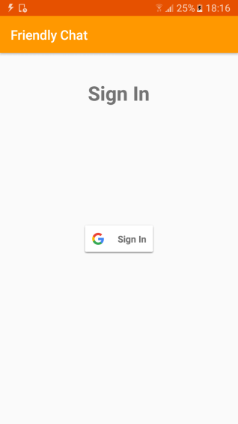 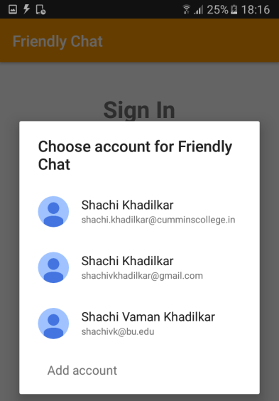 | Pass | High
2 | Signing out with Google |  | Samsung Galaxy J7 (Android 6.0.1) | Select the icon on top right of the app and choose the 'Sign out' option | 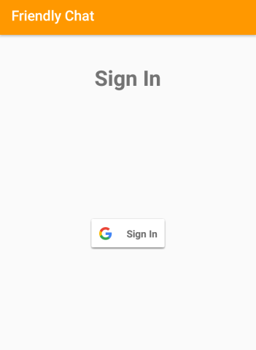 | Pass | High
3 | Adding an account |  | Samsung Galaxy J7 (Android 6.0.1) | When the app displays 'Choose account for Friendly Chat', select Add account below, then verify your identity and add an account. |  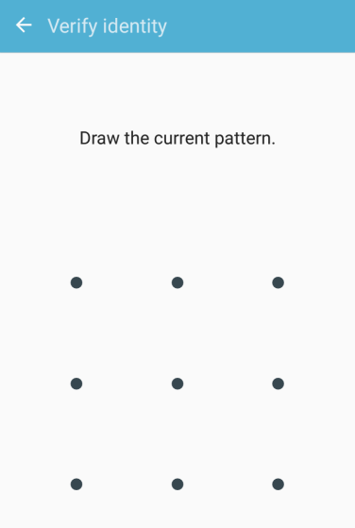 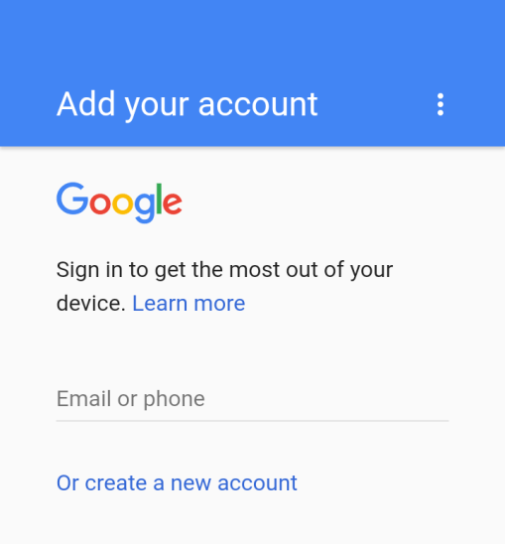 | Pass | High
4 | Sending text message messages using Firechat |  | Samsung Galaxy J7 (Android 6.0.1) | After logging in, simply type your message and press 'Send'. | 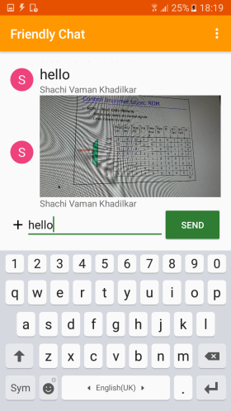 | Pass | High
5 | Sending images using Firechat |  | Samsung Galaxy J7 (Android 6.0.1) | Once logged in, click on the '+' on the left bottom corner of the screen and select an image from your phone's gallery. |  | Pass | Medium
6 | Storing data to the firebase database |  | Samsung Galaxy J7 (Android 6.0.1) | Log in to Firebase and go to the console , you can see users in the authentication section and messages and shared images can be observed in the database. | 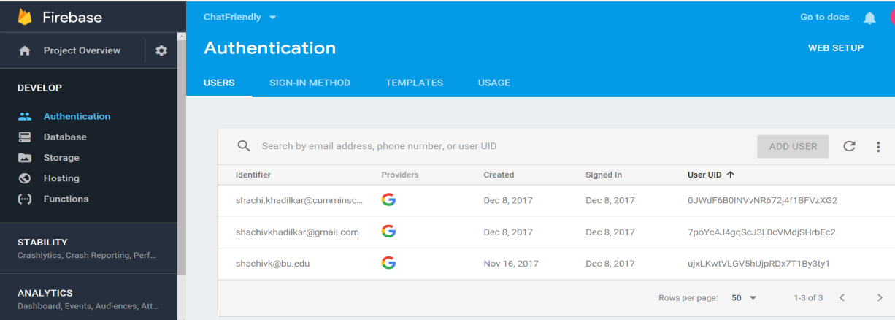 | Pass | High
7 | Firebase Storage |  | Samsung Galaxy J7 (Android 6.0.1) | Log in to Firebase and go to the console , images shared by authenticated users can be seen in the Firebase Storage. | 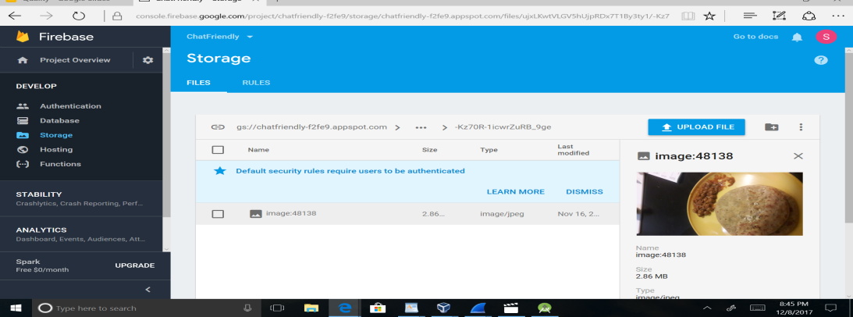 | Pass | High
8 | Invite |  | Samsung Galaxy J7 (Android 6.0.1) | Select the icon on top right of the app and choose the 'Invite' option to invite people in your contact list to download the app. |  | Fail | Low
9 | Cause Crash |  | Samsung Galaxy J7 (Android 6.0.1) | Select the icon on top right of the app and choose the 'Cause Crash' option. |  | Fail | Medium
10 | Fresh Config |  | Samsung Galaxy J7 (Android 6.0.1) | Select the icon on top right of the app and choose the 'Fresh Config' option. |  | Fail | Low

